Challenge
Business Intelligence & Data Analysis

Conditional Formatting Challenge
The below table will be used to investigate PLATINUM insured customers who tried to claim more than their policy maximum.
Task 1 | Easy | Highlight the [Policy Type] column with RED text if the policy type contains the word PLATINUM
Task 2 | Medium | Use conditional formatting to indicate the size of amounts in the [Paid Amount] column
Task 3 | Hard | Highlight columns B:H in grey if the policy type is PLATINUM

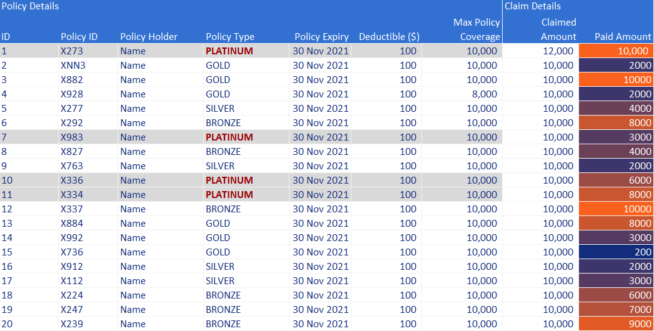
Insurance Policy Claims |  |  |  |  |  |  |  |  | Correct Conditional Formatting - Your colour scales in [Paid Amount] may have different colours.
Policy Details |  |  |  |  |  |  | Claim Details
ID | Policy ID | Policy Holder | Policy Type | Policy Expiry | Deductible ($) | Max Policy Coverage | Claimed Amount | Paid Amount
1 | X273 | Name | PLATINUM | 2021-11-30 | 100 | 10,000 | 12,000 | 10,000
2 | XNN3 | Name | GOLD | 2021-11-30 | 100 | 10,000 | 10,000 | 2000
3 | X882 | Name | GOLD | 2021-11-30 | 100 | 10,000 | 10,000 | 10000
4 | X928 | Name | GOLD | 2021-11-30 | 100 | 8,000 | 10,000 | 2000
5 | X277 | Name | SILVER | 2021-11-30 | 100 | 10,000 | 10,000 | 4000
6 | X292 | Name | BRONZE | 2021-11-30 | 100 | 10,000 | 10,000 | 8000
7 | X983 | Name | PLATINUM | 2021-11-30 | 100 | 10,000 | 10,000 | 3000
8 | X827 | Name | BRONZE | 2021-11-30 | 100 | 10,000 | 10,000 | 4000
9 | X763 | Name | SILVER | 2021-11-30 | 100 | 10,000 | 10,000 | 2000
10 | X336 | Name | PLATINUM | 2021-11-30 | 100 | 10,000 | 10,000 | 6000
11 | X334 | Name | PLATINUM | 2021-11-30 | 100 | 10,000 | 10,000 | 8000
12 | X337 | Name | BRONZE | 2021-11-30 | 100 | 10,000 | 10,000 | 10000
13 | X884 | Name | GOLD | 2021-11-30 | 100 | 10,000 | 10,000 | 8000
14 | X992 | Name | GOLD | 2021-11-30 | 100 | 10,000 | 10,000 | 3000
15 | X736 | Name | GOLD | 2021-11-30 | 100 | 10,000 | 10,000 | 200
16 | X912 | Name | SILVER | 2021-11-30 | 100 | 10,000 | 10,000 | 2000
17 | X112 | Name | SILVER | 2021-11-30 | 100 | 10,000 | 10,000 | 3000
18 | X224 | Name | BRONZE | 2021-11-30 | 100 | 10,000 | 10,000 | 6000
19 | X247 | Name | BRONZE | 2021-11-30 | 100 | 10,000 | 10,000 | 7000
20 | X239 | Name | BRONZE | 2021-11-30 | 100 | 10,000 | 10,000 | 9000

Relevant Links & Learning Materials
Check out these lessons from our Fundamentals of Data Analysis in Excel Course:
- Conditional Formatting

